PRE-INVOICE PRINT
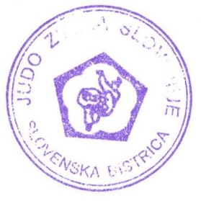
PRE-INVOICE
0 |  | TAX NUMBER |  | 0
0
0

 |  | Payment by cash: at arrival
IZOLA TC 2ND PART |  | Payment by bank: 28.07.2022

IZOLA 2022 PACKAGE | nr.of persons | nr.of days | Price | TAX 9,5% | Price with TAX | Total
Hotel Riviera package 5 days | 0 | 5 | 242.01 € | 22.99 € | 265.00 € | 0.00 €

IZOLA 2022 PER DAY | nr.of nights |  | Price | TAX 9,5% | Price with TAX | Total
Hotel Riviera | 0 |  | 54.79 € | 5.21 € | 60.00 € | 0.00 €

TRAININGS | nr.of trainings |  |  |  | Price | Total
Trainings without accomodation | 0 |  |  |  | 0.00 € | 0.00 €
 | TOTAL AMOUNT |  |  |  |  | 0.00 €
 | 9,5% TAX |  |  |  |  | 0.00 €
 | TOTAL AMOUNT FOR PAYMENT |  |  |  |  | 0.00 €

SLOVENIAN JUDO FEDERATION, PARTIZANSKA 35, 2310 SLOVENSKA BISTRICA
TRR: SI56044300000380257
BANK DETAILS: NOVA KBM MARIBOR, LJUBLJANSKA 11, 2310 SLOVENSKA
SWIFT: KBMASI2XXXX

IZOLA 2022 - 2ND PART

